Bug report 1
Summary | Mobile user can not use "Phone" icone for fast phone dail.
Description | When user go to URL "http://letoshop.rs", using a mobile, and click on "Phone" icone in left corner of header on Home page, in user's phone diler appears phone number which is incorrect.
Steps to reproduce | Open Chrome Internet Browser on mobile
 | Go to URL "http://letoshop.rs"
 | Click on "Phone" icone in left corner of header on Home page.
Expected results | In user's phone diler appears correct phone number and user can call the shop.
Actual results | In user's phone diler appears phone number which is incorrect and user can not call the shop.
Priority | High
Severity | High
Repro rate | 100%
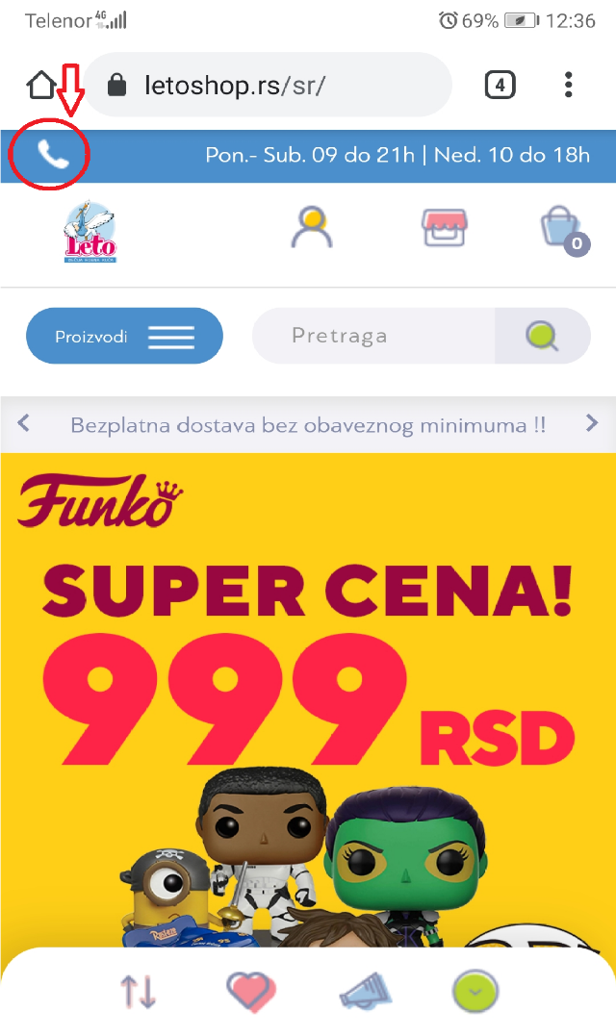
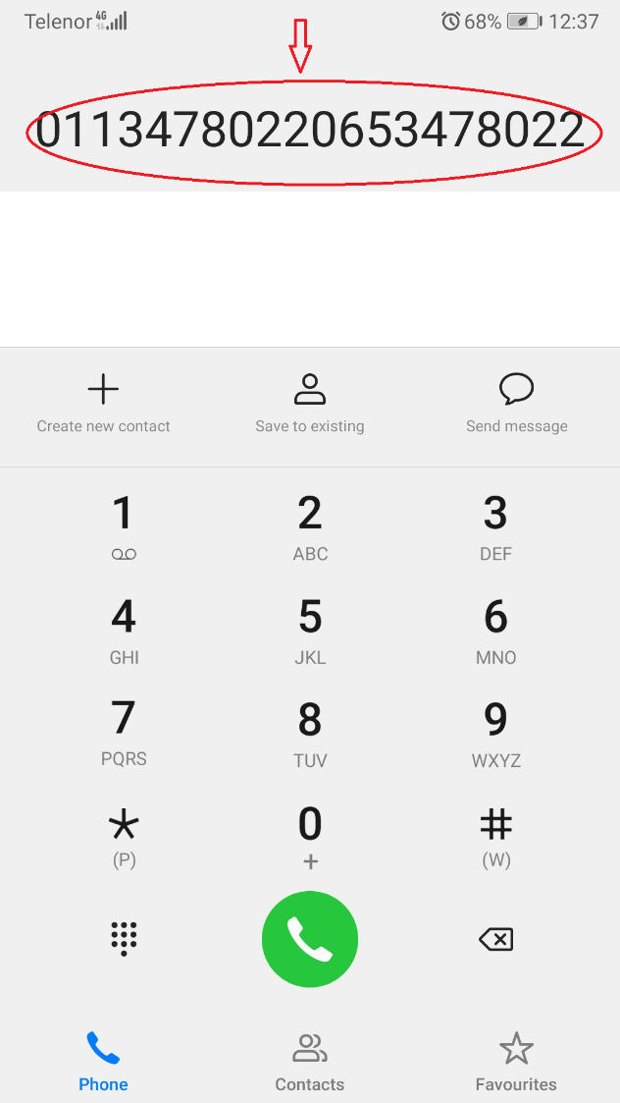
Screenshot

Bug report 2
Summary | One part of dropdown list of products is pasted with other text and does not clearly visible.
Description | When user go to URL "http://aksa.rs", using a mobile, and click on drop down list of products in left corner of header on website, then click on link "Odeca", appears a list of products which is pasted with other text and does not clearly visible.
Steps to reproduce | Open Chrome Internet Browser on mobile
 | Go to URL "http://aksa.rs"
 | Click on list in left corner of header on website
 | Click on link "Kategorije proizvoda"
 | Click on link "Odeca"
Expected results | Appears a list of products which is clearly visible.
Actual results | Appears a list of products which is pasted with other text, and does not clearly visible.
Priority | High
Severity | High
Repro rate | 100%
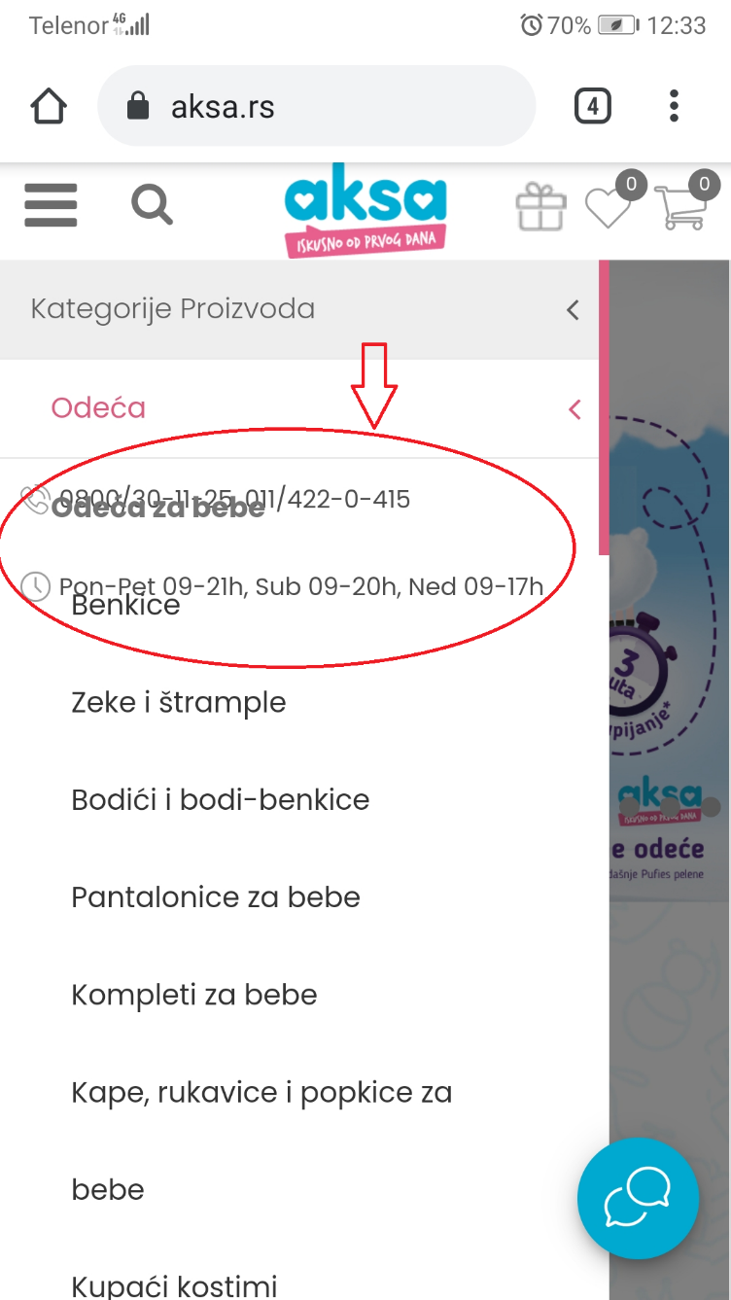
Screenshot

Bug report 3
Summary | User cannot use a link for automaticly start of catalogue download for new product.
Description | When user goes to website"http:// repsnet.support" (created for authoritized diler for easy access to new catalogues and information) and try to download the catalogue of new product, clicking on link "NEW D series launch", the catalogue download does not start.
Steps to reproduce | Open Opera Internet Browser
 | Go to URL "http:// repsnet.support"
 | Enter valid username and password
 | Click on link "NEW D series launch"
Expected results | Automaticly start of catalogue download for new product.
Actual results | Does not automaticly start of catalogue download for new product.
Priority | High
Severity | High
Repro rate | 100%
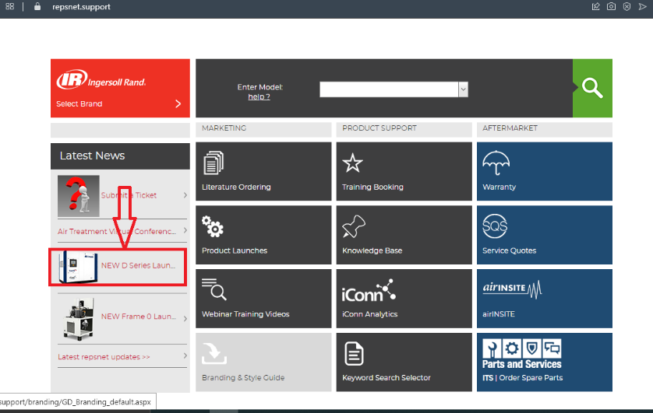
Screenshot

